Process flowchart
PRODUCTION FLOW CHART
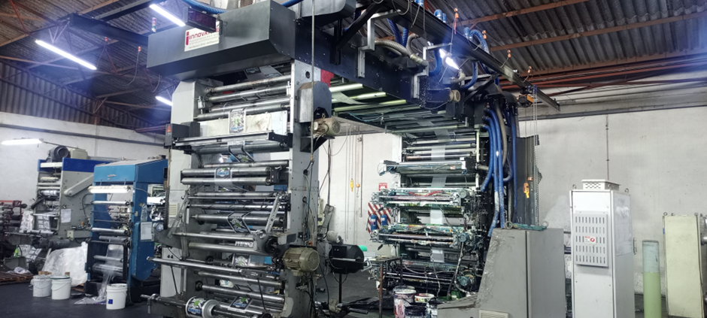 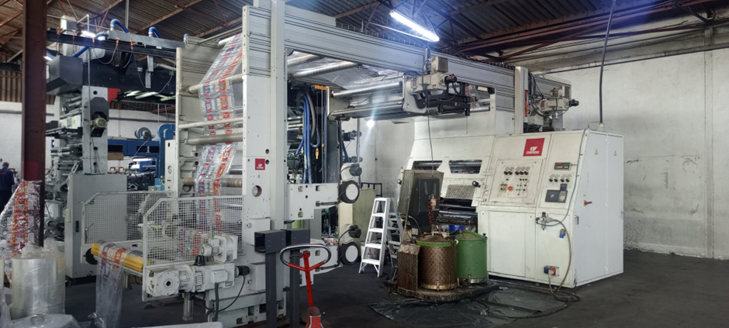 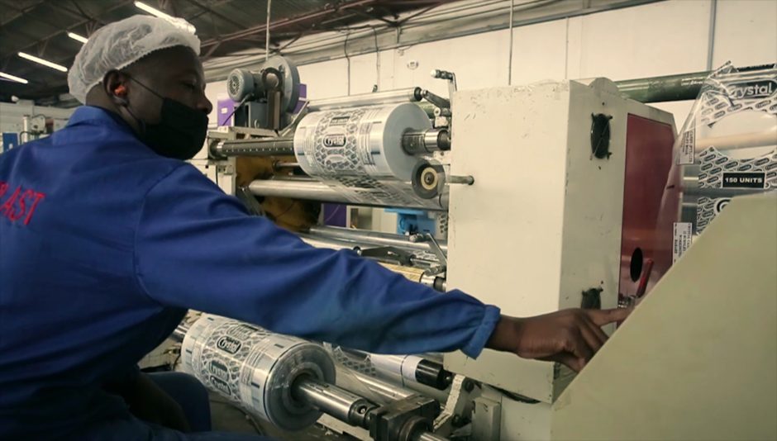 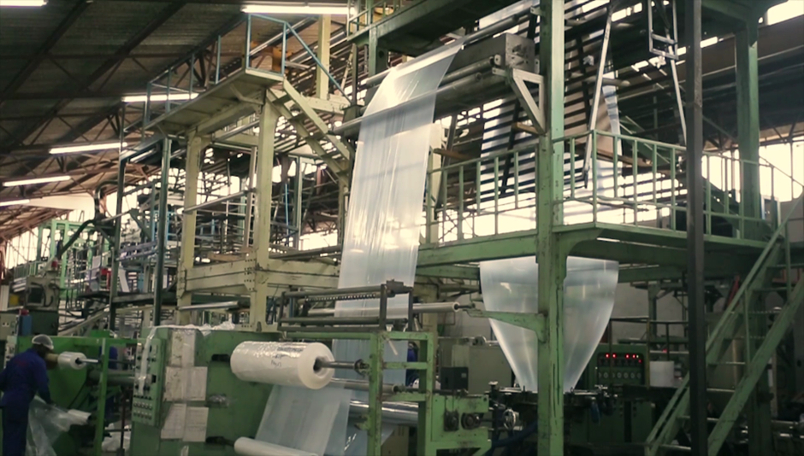
EXTRUSION
The process of applying heat and pressure to plastic pellets to produce plastic tubing or sheeting.

PLAIN ROLLS FROM EXTRUSION

PRINTING
The process of reproducing images using a template on to treated extruded rolls.
LAMINATION
Lamination is a process where two or more flexible packaging films are bonded together using adhesive, creating a multi layered film. Lamination is a process where two or more flexible packaging films are bonded together using adhesive, creating a multi layered film.

printed rolls going
for lamination

SLITTING
The process of trimming printed or plain rolls to size for autopack production lines as required by customer.
Slitting or Bagmaking
laminated rolls going
for slitting or bagmaking

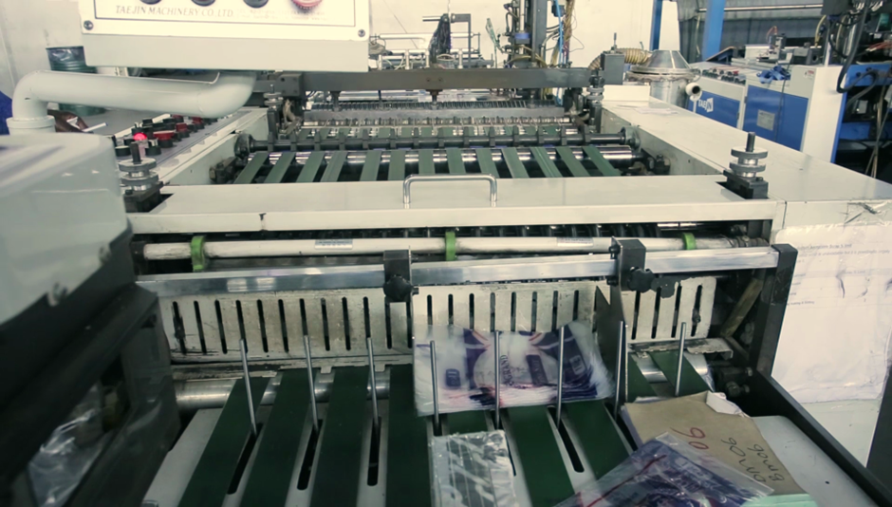
BAGMAKING
The process of sealing and cutting folded sheeting or tubing into bags.

FINISHED PRODUCT PRINTED ROLLS.
LDPE plastic rolls
HDPE plastic rolls
BOPP plastic rolls
Laminated autopack rolls
FINISHED PRODUCT PRINTED OR PLAIN BAGS.
LDPE plastic bags
HDPE plastic bags
BOPP plastic bags
Laminated pouch bags
FINISHED PRODUCT PLAIN ROLLS.
LDPE or HDPE plastic rolls
(Shrink, palletwraps, caseliners etc)
(Tubing or sheeting)

